Overview
ANALYTICS BASE TABLE

+ derived manufacturing process variables

DEFECT DATABASE
HISTORIAN DATABASE
MANUFACTURING COMPONANTS DATABASE

Derived Positional Vars Diagram
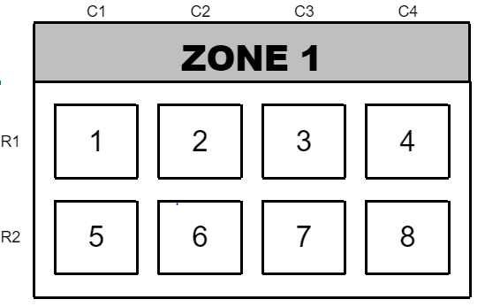
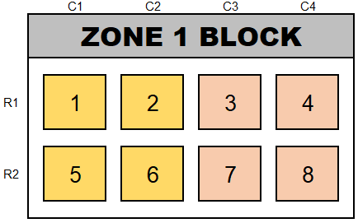
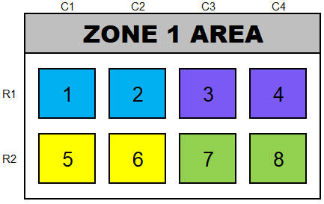
Var_Num | Variable_Name | Format | Possible_Values | Diagram_Name | Colour_Code |  | Diagram_Label | Description | Source Table | Source Fields | Diagram
1 | Zone1Position | Character | 1,2,3,4, 5, 6, 7, 8 | Zone 1 |  |  |  | Indicates position at Zone 1 | yield_analytics_abt | Zone1Position
2 | Zone1_Row_Num | Character | 1,2 | Zone 1 |  |  | R1, R2 | Indicates row number at Zone 1 | yield_analytics_abt | Zone1Position
3 | Zone1_Col_Num | Character | 1,2,3,4 | Zone 1 |  |  | C1,C2,C3,C4 | Indicates column number at Zone 1 | yield_analytics_abt | Zone1Position
4 | Zone1_Left_Block_Bin | Character | 0,1 | Zone 1 Block |  |  |  | Binary variable indicating left block positions at Zone 1 | yield_analytics_abt | Zone1Position
5 | Zone1_Right_Block_Bin | Character | 0,1 | Zone 1 Block |  |  |  | Binary variable indicating right block positions at Zone 1 | yield_analytics_abt | Zone1Position
6 | Zone1_Area | Character | Top Left, Top Right, Bottom Left, Bottom Right | Zone 1 Area | Top Left | Top Right |  | Identifies the area of the product at Zone 1 | yield_analytics_abt | Zone1Position
 |  |  |  |  | Bottom Left | Bottom Right
7 | Zone2Position | Charcater | 1, 2, 3, 4 | Zone 2 |  |  |  | Indicates position at Zone 2 | yield_analytics_abt | Zone2Position | 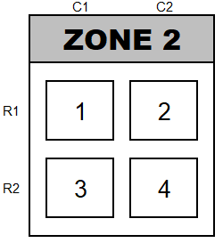
8 | Zone2_Row_Num | Charcater | 1,2 | Zone 2 |  |  | R1, R2 | Identifies row number at Zone 2 | yield_analytics_abt | Zone2Position
9 | Zone2_Col_num | Charcater | 1,2 | Zone 2 |  |  | C1, C2 | Identifies column number at Zone 2 | yield_analytics_abt | Zone2Position
10 | Zone3Position | Charcater | 1, 2, 3, 4, 5, 6 | Zone 3 |  |  |  | Indicates position at Zone 3 | yield_analytics_abt | Zone3Position | 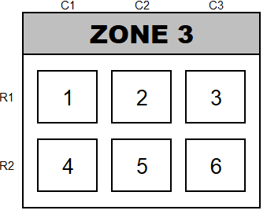 | 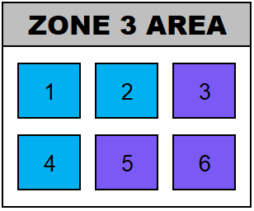
11 | Zone3_Row_Num | Charcater | 1,2 | Zone 3 |  |  | R1, R2 | Identifies row number at Zone 3 | yield_analytics_abt | Zone3Position
12 | Zone3_Col_Num | Charcater | 1,2,3 | Zone 3 |  |  | C1, C2, C3 | Identifies column number at Zone 3 | yield_analytics_abt | Zone3Position
13 | Zone3_Area | Charcater | Top Left, Bottom Right | Zone 3 Area | Top Left | Bottom Right |  | Identifes area at Zone 3 | yield_analytics_abt | Zone3Position

